Intro
INRMP Adaptation Planning Worksheets

Introduction to Supporting Worksheets
The following worksheets support installation-level application of the INRMP adaptation planning process and are drawn from Climate Adaptation for DoD Natural Resource Managers (Stein et al. 2019). They provide a structured means for managers to gather, evaluate, and analyze adaptation-relevant information, and the worksheets are designed to build on and draw from one another with earlier steps in the process informing subsequent worksheets. Because adaptation planning is an iterative process, the worksheets also provide an opportunity to “show your work” to document decisions and facilitate future assessments or refinements.
The worksheets are intended to serve as an aid in carrying out adaptation planning: they are not intended to be prescriptive. Although the worksheets are designed to be used sequentially, users should not feel compelled to fill out all of the worksheets or each cell in a given worksheet. Additionally, the level of detail entered into the worksheets may vary, depending on the availability of relevant information, and on whether the worksheets are being used to inform a preliminary screening of adaptation needs and options, or to support in-depth decision-making and allocation of resources. Just as the overall INRMP adaptation planning process is designed to be flexible, these worksheets may be adapted or modified (for instance, adding additional rows or columns) to most-effectively support the adaptation planning needs of particular installations.
Managers may also find it useful to initially focus on a limited number of resources, risks, or strategies and keep a “parking lot” of items to address in subsequent passes through the adaptation planning process. If you get stuck at any point in filling out the worksheets—for instance, due to incomplete information or knowledge—make an informed conjecture (documenting your assumptions) to keep moving through the planning process. Should additional information become available, you can then revisit and refine the relevant worksheet and outcomes.

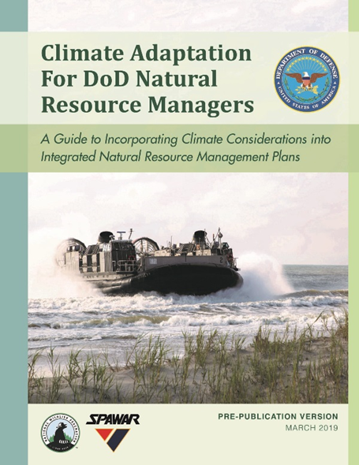
Supporting Worksheets by INRMP Adaptation Planning Step (v 1.0 - March 2019)
Step 1. Set Context for Adaptation Planning
Worksheet 1.1. Installation Mission and Requirements
Worksheet 1.2. Target Resources and Existing Goals
Worksheet 1.3. Planning Scope and Background Information
Step 2. Assess Climate Vulnerabilities and Risks
Worksheet 2.1. Climate Concerns and Projections
Worksheet 2.2. Climate Vulnerabilities of Target Natural Resources
Worksheet 2.3. Military Mission Risks from Natural Resource Vulnerabilities
Step 3. Evaluate Implications for INRMP Goals and Objectives
Worksheet 3. Climate Implications for INRMP Goals and Objectives
Step 4. Develop Strategies and Actions to Reduce Climate Risks
Worksheet 4.1. Identification of Possible Adaptation Strategies and Actions
Worksheet 4.2. Evaluation and Selection of Adaptation Strategies and Actions
Step 5. Implement Adaptation Strategies and Actions
Worksheet 5. Implementation of Adaptation Strategies and Actions
Step 6. Monitor and Adjust Adaptation Actions
Worksheet 6. Climate-Informed Monitoring and Evaluation

Spreadsheet Instructions & Tips
Navigating this workbook | For ease of use, the table of context above is hyperlinked to each worksheet in this workbook. Clicking a blue underlined link will navigate to that specific step and worksheet.
 | It is also possible to navigate to a different tab anywhere in the workbook by RIGHT clicking the left and right arrows [< >] in this spreadsheet located on the bottom left corner of the screen above the word "Ready"
Viewing additional "notes" | Many worksheet columns have useful "notes" that provide additional guidelines for what type of information to enter. These can be viewed in pop-up "comments" by holding the cursor over a cell with a small red triangle at its right top edge.
Adding a row or column into worksheet | Simply select an entire row in a table, right click, and select "Insert" to add a row ABOVE the selected row.
 | Simply select an entire column in a table, right click, and select "Insert" to add a column to the LEFT of the selected column.
Printing | Select File>Print to print each worksheet. Select "Print Entire Workbook" in the print options to print all pages.
 | If added columns are falling outside of the print margin, select "Fit All Columns" in print options before printing.

